Sheet1
Name | Display Name |  | Available
25439 | PL Bronx Steel 3.5W In Built LED IP44 Outdoor Up/Down Light | 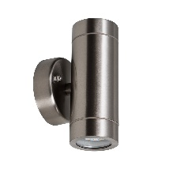 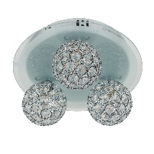 | 500
25404 | PL 3 Way Remote Control RGB LED Flush Ceiling Light 3 x G9 |  | 500
25446 | 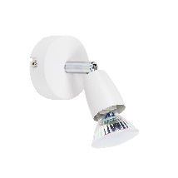 PL Zinc White Adjustable Single GU10 Spotlight |  | 500
25433 | PL Palba Aluminium Square IP44 Adjustable Outdoor Wall Light | 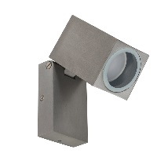 | 500

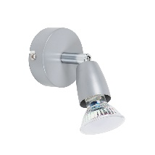

25447 | PL Zinc Silver Painted Adjustable Single GU10 Spotlight |  | 300
25421 | 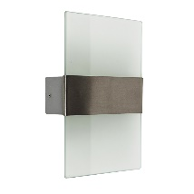 PL Polar IP44 In Built LED Stainless Steel Glass Wall Light |  | 300
 |  |  | 2600

